IV after VIF
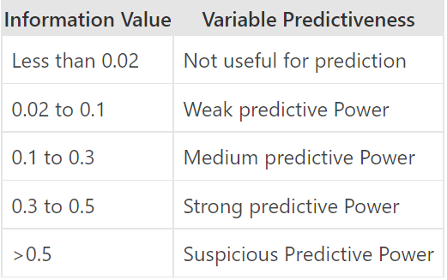
 | Variable | IV
8 | Team2_stats.all_outs | 1.87
2 | Team1_Tackle_successful_rate | 1.75
12 | Home_Team_Win | 1.75
1 | Team2_tackle_successful_rate | 1.57
7 | Team1_stats.all_outs | 1.33
9 | Team2_stats.points.raid_points.raid_bonus | 0.31 | Team2_stats.points.raid_points.raid_bonus + | Team2_stats.points.raid_points.raid_bonus + Team2_Raid_successful_rate + Team1_raids_successful_rate + Team2_stats.points.extras + venue_id + Team1_Green_cards + Type_of_Match + Team1_stats.raids.total + toss_selection +
5 | Team2_Raid_successful_rate | 0.23 | Team2_Raid_successful_rate +
4 | Team1_raids_successful_rate | 0.18 | Team1_raids_successful_rate +
14 | Team2_stats.points.extras | 0.07 | Team2_stats.points.extras +
19 | venue_id | 0.04 | venue_id +
17 | Team1_Green_cards | 0.04 | Team1_Green_cards +
10 | Type_of_Match | 0.03 | Type_of_Match +
3 | Team1_stats.raids.total | 0.02 | Team1_stats.raids.total +
20 | toss_selection | 0.02 | toss_selection +
6 | Team1_stats.points.tackle_points.capture_bonus | 0.01
13 | Team2_Yellow_Cards | 0.01
15 | Team1_stats.points.extras | 0.01
21 | Toss_Winner_Win | 0.01
18 | Team2_Green_cards | 0.00
16 | Team2_stats.points.tackle_points.capture_bonus | 0.00
11 | Team1_Yellow_Cards | 0.00
22 | Team1_Red_Cards | 0.00
23 | Team2_Red_Cards | 0.00

